Seq count - viral
fasta_file | Genome Name/ Sample Name | Strain Id | Seq_Count | Genus | 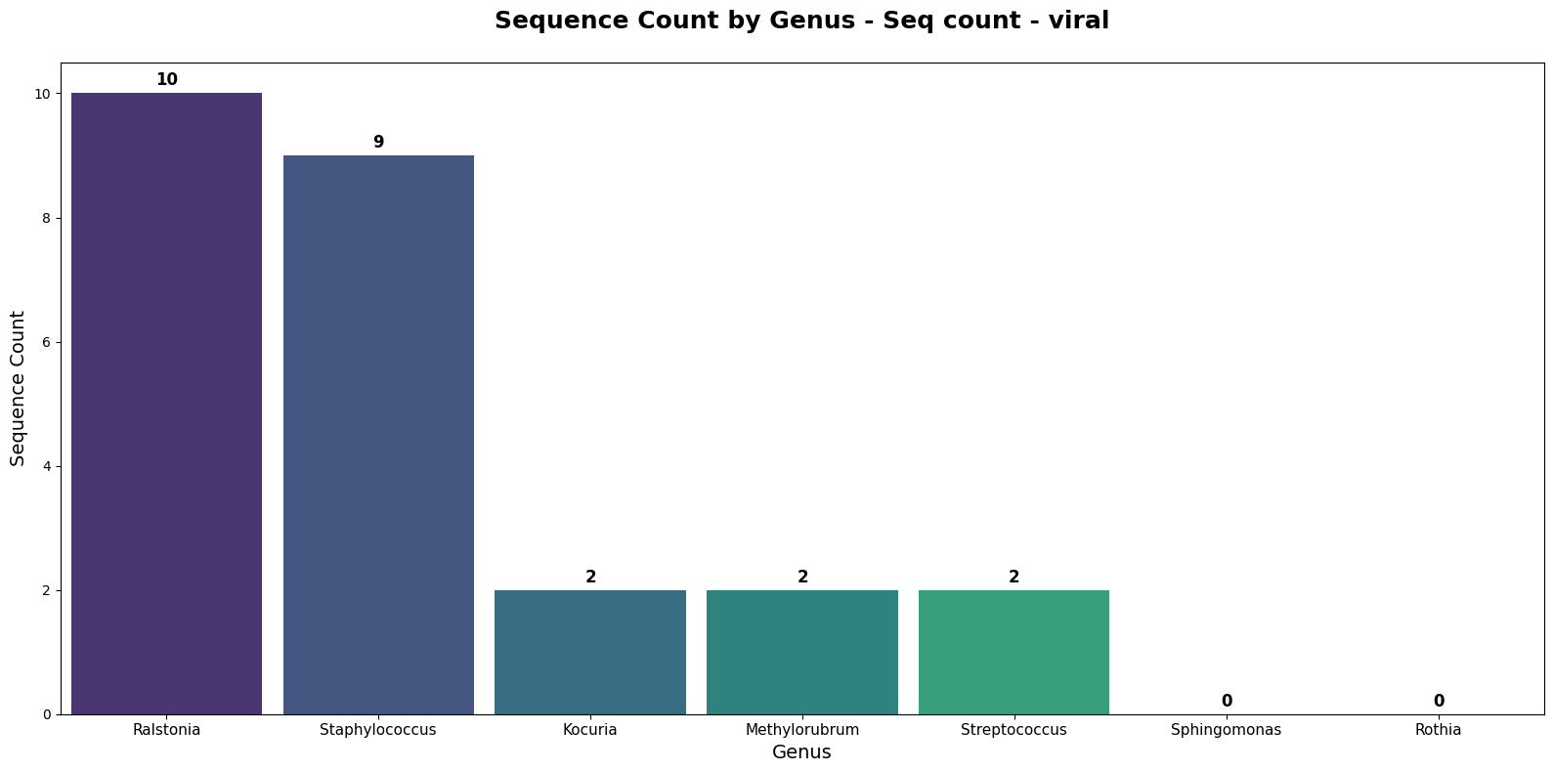
8133643943 | Methylorubrum extorquens 153480035-1 | 153480035-1 | 2 | Methylorubrum
8132595571 | Ralstonia insidiosa 123250053-1 | 123250053-1 | 1 | Ralstonia
8132824355 | Ralstonia insidiosa 142550021-1 | 142550021-1 | 1 | Ralstonia
8133623617 | Ralstonia insidiosa 151470044-1 | 151470044-1 | 2 | Ralstonia
8132450495 | Kocuria rhizophila 111540051-3 | 111540051-3 | 1 | Kocuria
8133992572 | Staphylococcus hominis 153480033-6 | 153480033-6 | 2 | Staphylococcus
8132818425 | Ralstonia insidiosa 142550027-2 | 142550027-2 | 1 | Ralstonia
8133629549 | Ralstonia insidiosa 151470066-1 | 151470066-1 | 1 | Ralstonia
8133635480 | Ralstonia insidiosa 151470066-2 | 151470066-2 | 2 | Ralstonia
8132503709 | Staphylococcus warneri 121210007-3 | 121210007-3 | 4 | Staphylococcus
8132601599 | Ralstonia insidiosa 130770013-1 | 130770013-1 | 1 | Ralstonia
8132551458 | Ralstonia insidiosa 121560039-2 | 121560039-2 | 1 | Ralstonia
8134898396 | Staphylococcus warneri 140720001-1 | 140720001-1 | 3 | Staphylococcus
8135715517 | Kocuria marina F10_7S_D2_EB4 | F10_7S_D2_EB4 | 1 | Kocuria
8133341747 | Streptococcus sp. 151470009-6 | 151470009-6 | 2 | Streptococcus
8133476785 | Sphingomonas lutea F9_3S_D5_B_2 | F9_3S_D5_B_2 | 0 | Sphingomonas
8132433368 | Rothia mucilaginosa 110740021-2 | 110740021-2 | 0 | Rothia

Seq count - plasmid
fasta_file | Genome Name/ Sample Name | Strain Id | Seq_Count | Genus | 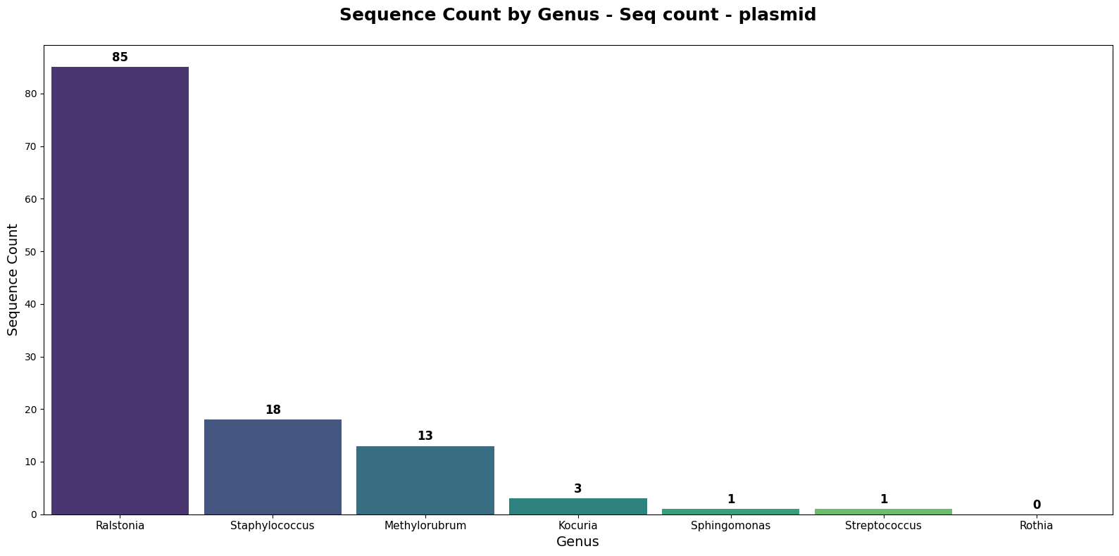
8133476785 | Sphingomonas lutea F9_3S_D5_B_2 | F9_3S_D5_B_2 | 1 | Sphingomonas
8133643943 | Methylorubrum extorquens 153480035-1 | 153480035-1 | 13 | Methylorubrum
8132450495 | Kocuria rhizophila 111540051-3 | 111540051-3 | 1 | Kocuria
8133992572 | Staphylococcus hominis 153480033-6 | 153480033-6 | 6 | Staphylococcus
8133341747 | Streptococcus sp. 151470009-6 | 151470009-6 | 1 | Streptococcus
8132551458 | Ralstonia insidiosa 121560039-2 | 121560039-2 | 17 | Ralstonia
8133629549 | Ralstonia insidiosa 151470066-1 | 151470066-1 | 9 | Ralstonia
8132824355 | Ralstonia insidiosa 142550021-1 | 142550021-1 | 9 | Ralstonia
8133623617 | Ralstonia insidiosa 151470044-1 | 151470044-1 | 9 | Ralstonia
8132818425 | Ralstonia insidiosa 142550027-2 | 142550027-2 | 9 | Ralstonia
8132601599 | Ralstonia insidiosa 130770013-1 | 130770013-1 | 10 | Ralstonia
8133635480 | Ralstonia insidiosa 151470066-2 | 151470066-2 | 8 | Ralstonia
8132503709 | Staphylococcus warneri 121210007-3 | 121210007-3 | 7 | Staphylococcus
8134898396 | Staphylococcus warneri 140720001-1 | 140720001-1 | 5 | Staphylococcus
8132595571 | Ralstonia insidiosa 123250053-1 | 123250053-1 | 14 | Ralstonia
8135715517 | Kocuria marina F10_7S_D2_EB4 | F10_7S_D2_EB4 | 2 | Kocuria
8132433368 | Rothia mucilaginosa 110740021-2 | 110740021-2 | 0 | Rothia

